Please read me
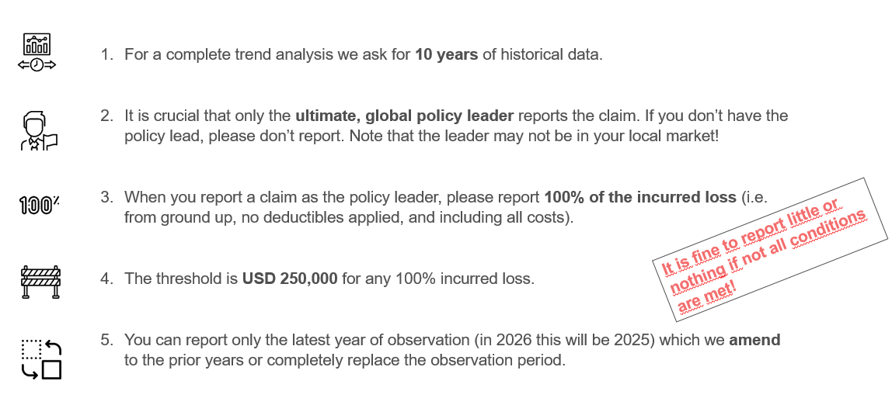

Use the possibility to prefill events automatically!
Instead of manually selecting every event, this file includes a Power Query that prefills the event name based on the claims date.
How it works:
1) Enter the claims date in format DD.MM.YYYY
2) Press CTRL + ALT + F5 simultaneously to refresh
3) Power Query matches your claims date to a major event in the same month
4) Check if the suggested event is correct - if multiple events occurred in the same month, the first match is returned and may need correction
5) If needed, correct the event manually using the dropdown

